001_11xd_2022m10
Consumer Price Index (2010=100) by Month, Commodity and Information
https://pxweb2.stat.fi/PxWeb/pxweb/en/StatFin/StatFin__khi/statfin_khi_pxt_11xd.px/chart/chartViewLine/
 | 0 CONSUMER PRICE INDEX
 | Point figure
2011M01 | 101.78
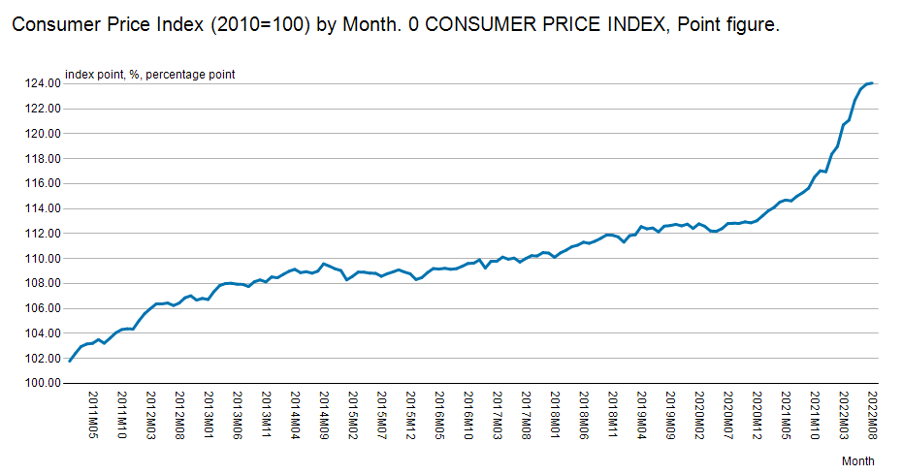
2011M02 | 102.40
2011M03 | 102.96
2011M04 | 103.16
2011M05 | 103.21
2011M06 | 103.51
2011M07 | 103.22
2011M08 | 103.62
2011M09 | 104.05
2011M10 | 104.31
2011M11 | 104.38
2011M12 | 104.35
2012M01 | 105.01
2012M02 | 105.59
2012M03 | 105.99
2012M04 | 106.36
2012M05 | 106.37
2012M06 | 106.44
2012M07 | 106.24
2012M08 | 106.44
2012M09 | 106.86
2012M10 | 107.02
2012M11 | 106.67
2012M12 | 106.81
2013M01 | 106.72
2013M02 | 107.35
2013M03 | 107.84
2013M04 | 108.00
2013M05 | 108.02
2013M06 | 107.95
2013M07 | 107.93
2013M08 | 107.76
2013M09 | 108.14
2013M10 | 108.29
2013M11 | 108.13
2013M12 | 108.53
2014M01 | 108.46
2014M02 | 108.73
2014M03 | 108.98
2014M04 | 109.14
2014M05 | 108.87
2014M06 | 108.95
2014M07 | 108.83
2014M08 | 108.99
2014M09 | 109.58
2014M10 | 109.39
2014M11 | 109.18
2014M12 | 109.04
2015M01 | 108.29
2015M02 | 108.57
2015M03 | 108.92
2015M04 | 108.91
2015M05 | 108.83
2015M06 | 108.82
2015M07 | 108.58
2015M08 | 108.78
2015M09 | 108.93
2015M10 | 109.10
2015M11 | 108.92
2015M12 | 108.78
2016M01 | 108.32
2016M02 | 108.47
2016M03 | 108.88
2016M04 | 109.20
2016M05 | 109.16
2016M06 | 109.22
2016M07 | 109.14
2016M08 | 109.19
2016M09 | 109.38
2016M10 | 109.61
2016M11 | 109.63
2016M12 | 109.90
2017M01 | 109.24
2017M02 | 109.79
2017M03 | 109.79
2017M04 | 110.12
2017M05 | 109.95
2017M06 | 110.04
2017M07 | 109.72
2017M08 | 110.00
2017M09 | 110.23
2017M10 | 110.21
2017M11 | 110.48
2017M12 | 110.44
2018M01 | 110.10
2018M02 | 110.45
2018M03 | 110.67
2018M04 | 110.95
2018M05 | 111.07
2018M06 | 111.31
2018M07 | 111.22
2018M08 | 111.39
2018M09 | 111.62
2018M10 | 111.89
2018M11 | 111.87
2018M12 | 111.74
2019M01 | 111.31
2019M02 | 111.84
2019M03 | 111.91
2019M04 | 112.56
2019M05 | 112.38
2019M06 | 112.45
2019M07 | 112.14
2019M08 | 112.60
2019M09 | 112.64
2019M10 | 112.74
2019M11 | 112.62
2019M12 | 112.76
2020M01 | 112.41
2020M02 | 112.78
2020M03 | 112.59
2020M04 | 112.21
2020M05 | 112.18
2020M06 | 112.40
2020M07 | 112.80
2020M08 | 112.83
2020M09 | 112.82
2020M10 | 112.94
2020M11 | 112.86
2020M12 | 113.02
2021M01 | 113.41
2021M02 | 113.82
2021M03 | 114.09
2021M04 | 114.52
2021M05 | 114.69
2021M06 | 114.62
2021M07 | 115.00
2021M08 | 115.28
2021M09 | 115.64
2021M10 | 116.51
2021M11 | 117.03
2021M12 | 116.95
2022M01 | 118.36
2022M02 | 118.98
2022M03 | 120.70
2022M04 | 121.09
2022M05 | 122.67
2022M06 | 123.56
2022M07 | 123.96
2022M08 | 124.05

<A HREF='https://stat.fi/en/statistics/documentation/khi' TARGET=_blank>Documentation of statistics</A>
Information:
Point figure:
Point figure is a change quantity used in price indices, which expresses the price, average price or index of the reference period relative to the price, average price or index of the base period. The point figure of the base period is usually denoted by the number hundred. For example, if the point figure of the commodity is 105.3 in a certain period, it means that the price of the commodity has risen by 5.3 per cent from the base period.

Latest update:
Point figure:
20221114 08:00

Source:
Statistics Finland, consumer price index

Contact:
Point figure:
<A HREF='https://stat.fi/en/statistics/khi' TARGET=_blank>Statistics' homepage</A>

Copyright

Units:
Point figure:
index point

Official statistics

Internal reference code:
001_11xd_2022m10

